FuelCostCalc
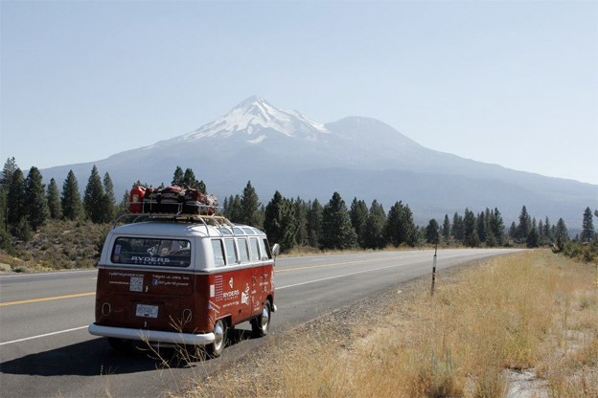
Fuel Cost Calculator
We have a road trip coming up. |  | Formula = | Total Miles of Stretch / Miles per Gallon * Local Cost per Gallon
We're taking three cars

Vehicle | Average Miles Per Gallon | Stretch | Car | Miles | Local Cost / Gallon | Cost
Prius C | 51 | CA to OR | Prius | 492 | $2.86 | $27.60
Mustang Convertible | 29 | CA to OR | Mustang | 492 | $2.86 | $48.54
RV | 9 | CA to OR | RV | 492 | $2.86 | $156.40

 |  | OR to WA | Prius | 328 | $2.53 | $16.28
 |  | OR to WA | Mustang | 328 | $2.53 | $28.63
 |  | OR to WA | RV | 328 | $2.53 | $92.24

 |  | WA to ID | Prius | 774 | $2.65 | $40.14
 |  | WA to ID | Mustang | 774 | $2.65 | $70.59
 |  | WA to ID | RV | 774 | $2.65 | $227.47

 |  | ID to NV | Prius | 663 | $2.47 | $32.11
 |  | ID to NV | Mustang | 663 | $2.47 | $56.47
 |  | ID to NV | RV | 663 | $2.47 | $181.96

 |  | NV to SF | Prius | 569 | $2.56 | $28.55
 |  | NV to SF | Mustang | 569 | $2.56 | $50.21
 |  | NV to SF | RV | 569 | $2.56 | $161.79

 |  |  |  |  |  | $1,218.97

PercentChange
Percent Change Over Time

 | Lets calculate the change in snowfall in Tahoe for the last few years

 | Year | Snowfall in inches | Percent Change
 | 2009 | 424 | #VALUE!
 | 2010 | 337 | -21%
 | 2011 | 301 | -11%
 | 2012 | 334 | 11%
 | 2013 | 200 | -40%
 | 2014 | 133 | -34%

 | PercentChange = (Current - Previous) / Previous

Working Capital

 | Change in Working Capital

 | Year | Assets | Liabilities | Working Capital | Percent Change
 | 2010 | $43,019.00 | $112,202.00 | $(69,183.00) | #VALUE!
 | 2011 | $68,830.40 | $134,642.40 | $(65,812.00) | -5%
 | 2012 | $110,128.64 | $161,570.88 | $(51,442.24) | -22%
 | 2013 | $176,205.82 | $193,885.06 | $(17,679.23) | -66%
 | 2014 | $281,929.32 | $232,662.07 | $49,267.25 | -379%
 | 2015 | $451,086.91 | $279,194.48 | $171,892.43 | 249%
 | 2016 | $721,739.06 | $335,033.38 | $386,705.68 | 125%

SurfaceArea
Paint Calculator
Painting your house and don't know how much paint you'll need?
Make a function to calculate surface area of your house!


25'

Measurements
Height House Square Block | 10
Height Roof Triangle Block | 8
8'
Width of House | 15
Depth of House | 25

10'
 | 1445.2246624

15'

